auto manual
PT. SUMI RUBBER INDONESIA
WP | PROSEDUR PENGGUNAAN FA SYSTEM CHEMICAL WEIGHING (AUTO -> MANUAL) |  |  |  | WE-889/00

TUJUAN | : SEBAGAI GUIDANCE PRODUKSI DALAM PENGGUNAAN FA SYSTEM CHEMICAL
RUANG LINGKUP | : CHEMICAL BASE 1, BASE 2 DAN FINAL 1
PIC | : OPERATOR, LEADER, FOREMAN DAN SUPERVISOR (PRODUKSI)
 | STAFF DAN CHIEF STAFF (WT)
Guidance Chemical Manual Weighing
Auto -> Manual (Base Chemical 1 , Base Chemical 2 dan Final Chemical 1)

1. Running program Chemical auto weight dan Chemical Manual Weight yang ada di desktop

Chemical Manual Weighing ada di komputer manual weighing

Chemical Auto Weighing ada di komputer auto weighing

2. Tampilan program Auto Weighing dan Manual Weighing
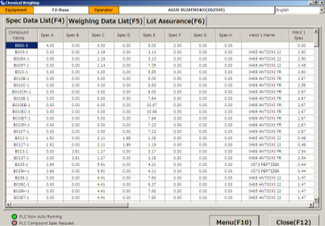

Tampilan program Auto weighing

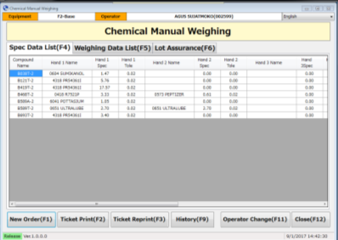

Tampilan program Manual weighing

Issued date | Approved by |  | Checked by | Prepared by | Page
 |  |  |  |  | 1/8

 | Sutrisno | Juhdi M. | Chandra W. | Khoerul Anwar R.

PT. SUMI RUBBER INDONESIA
WP | PROSEDUR PENGGUNAAN FA SYSTEM CHEMICAL WEIGHING (AUTO -> MANUAL) |  |  |  | WE-889/00

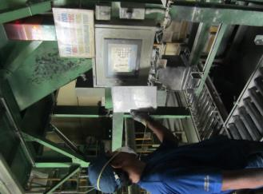
3. Input Size code dan Total batch di touch panel kemudian cek spec yang ada di touch panel
dengan spec kertas
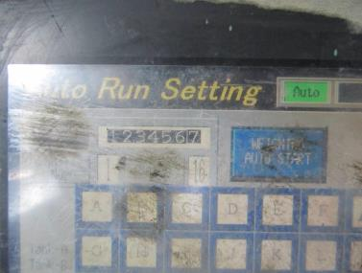
SB262
18

4. Tampilan program manual weight setelah input size di touch panel
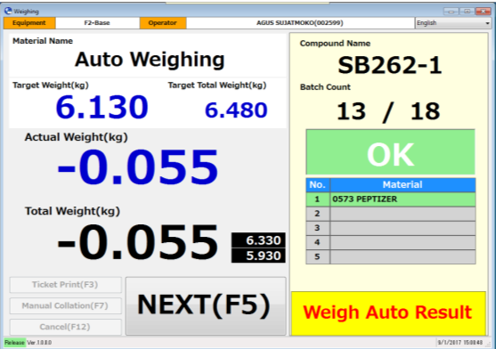
1 / 0

batch set akan mengikuti touch panel
setelah selesai 1 batch auto weight

Note:
Jika size code tidak ada timbangan manualnya,
maka tampilan manual weighing seperti menu awal
pada saat program pertama kali di running.

Issued date | Approved by |  | Checked by | Prepared by | Page
 |  |  |  |  | 2/8

 | Sutrisno | Juhdi M. | Chandra W. | Khoerul Anwar R.

PT. SUMI RUBBER INDONESIA
WP | PROSEDUR PENGGUNAAN FA SYSTEM CHEMICAL WEIGHING (AUTO -> MANUAL) |  |  |  | WE-889/00

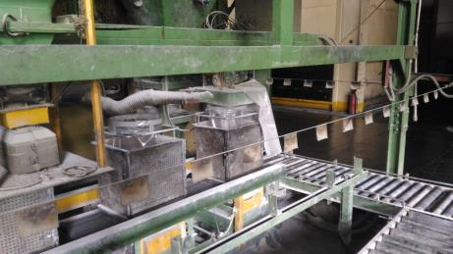
5. Mulai proses penimbangan Auto. Setelah penimbangan auto, plastic bag yang berisi chemical Auto
di timbang pada timbangan manual

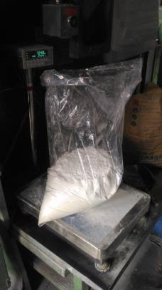

1 / 18
6.135
6.135

Issued date | Approved by |  | Checked by | Prepared by | Page
 |  |  |  |  | 3/8

 | Sutrisno | Juhdi M. | Chandra W. | Khoerul Anwar R.

PT. SUMI RUBBER INDONESIA
WP | PROSEDUR PENGGUNAAN FA SYSTEM CHEMICAL WEIGHING (AUTO -> MANUAL) |  |  |  | WE-889/00

6. Jika berat auto sesuai spec maka keterangan OK muncul, dan otomatis ke penimbangan manual

1 / 18
6.135
6.135
OK

1 / 18
0.000
6.135
0573 REPTIZER
0.350
6.485
READ BARCODE

Issued date | Approved by |  | Checked by | Prepared by | Page
 |  |  |  |  | 4/8

 | Sutrisno | Juhdi M. | Chandra W. | Khoerul Anwar R.

PT. SUMI RUBBER INDONESIA
WP | PROSEDUR PENGGUNAAN FA SYSTEM CHEMICAL WEIGHING (AUTO -> MANUAL) |  |  |  | WE-889/00

7. Scan ticket material manual weight (Reptizer)
1 / 18
0.000
6.135
0573 REPTIZER
0.350
6.485
READ BARCODE
6.685
6.285

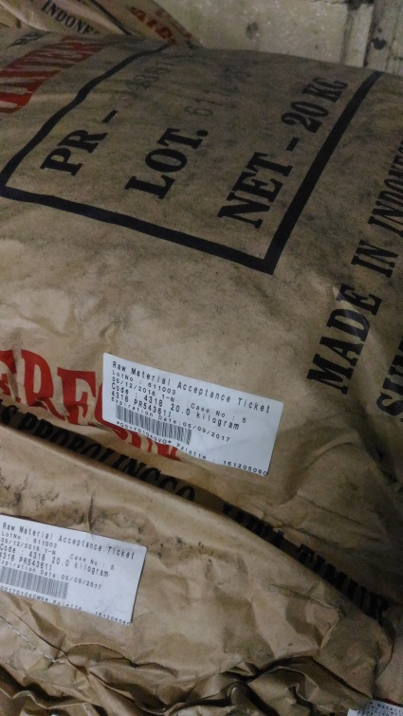

1 / 18
0.000
6.135
0573 REPTIZER
0.350
6.485
SCAN OK
6.685
6.285

Ticket dari raw material yang menempel
di setiap zak material

Issued date | Approved by |  | Checked by | Prepared by | Page
 |  |  |  |  | 5/8

 | Sutrisno | Juhdi M. | Chandra W. | Khoerul Anwar R.

PT. SUMI RUBBER INDONESIA
WP | PROSEDUR PENGGUNAAN FA SYSTEM CHEMICAL WEIGHING (AUTO -> MANUAL) |  |  |  | WE-889/00

8. Timbang material sesuai spec sampai dengan Ready OK muncul di layar
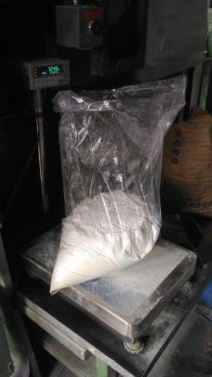
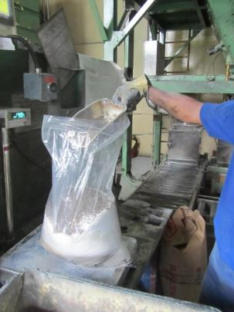

1 / 18
0.350
6.485
0573 REPTIZER
0.350
6.485
Waiting 0.
6.685
6.285
READY OK

Issued date | Approved by |  | Checked by | Prepared by | Page
 |  |  |  |  | 6/8

 | Sutrisno | Juhdi M. | Chandra W. | Khoerul Anwar R.

PT. SUMI RUBBER INDONESIA
WP | PROSEDUR PENGGUNAAN FA SYSTEM CHEMICAL WEIGHING (AUTO -> MANUAL) |  |  |  | WE-889/00

9. Pindahkan bag chemical ke Lori

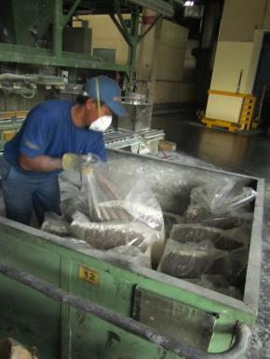

2 / 18

Actual batch akan update setelah
1 bag proses timbangan selesai

Issued date | Approved by |  | Checked by | Prepared by | Page
 |  |  |  |  | 7/8

 | Sutrisno | Juhdi M. | Chandra W. | Khoerul Anwar R.

PT. SUMI RUBBER INDONESIA
WP | PROSEDUR PENGGUNAAN FA SYSTEM CHEMICAL WEIGHING (AUTO -> MANUAL) |  |  |  | WE-889/00

10. Ulangi langkah ke 4 sampai dengan langkah ke 8
Jika actual batch sama dengan batch set, maka proses penimbangan
dinyatakan selesai
18 / 18
0.350
6.485
0573 REPTIZER
0.350
6.485
COMPLETE
6.685
6.285

READY OK

11. Setelah penimbangan selesai, ticket print muncul di program auto weighing, Klik Print (F4)
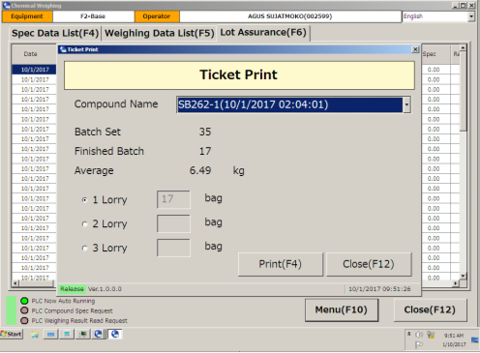
18
18
18

Ticket print

Issued date | Approved by |  | Checked by | Prepared by | Page
 |  |  |  |  | 8/8

 | Sutrisno | Juhdi M. | Chandra W. | Khoerul Anwar R.

